Infosys_Beta_Analysis
Q3: Calculate Sytematic Risk and Company Specific Risk using Generic Index and Industry specific Index and Jensen's Alpha of Stock Return

 |  | Mohan Krishna Kandula 2017A7PS0053H |  |  | Nakula Jayadeep 2017AAPS0249H |  |  | Guduguntala Venkata Sai Sumanth 2017A3PS0561H
 |  | Chandra Sai Sharath 2017A7PS0219H |  |  | Bhavana Valavala 2017A3PS0551H |  |  | Manul Gupta 2017B3PS861H

 |  |  | Infosys Beta Analysis
 |  | Risk free Rate of Return(Rf)= | 7.52
 |  |  |  | Daily | 0.020602739726
 |  |  |  | Weekly | 0.14461538462
 |  |  |  | Monthly | 0.62666666667

 |  |  | Duration | 1/1/2014 - 31/12/2018(5 years)

 |  |  |  |  |  | Based on NIFTY Index
Basis | Beta | Alpha(Intercept) | R-squared | Standard error on Beta | Range of Beta | Rf(1-Beta) | Jensen's Alpha | Annualise Jensen's Alpha | Conclusion
Daily | 0.655 | 0.015 | 0.126 | 0.049 | 0.606-0.704 | 0.0071079452055 | 0.0078920547945 | 1.8806 | Stock performed worse than expected
Weekly | 0.587 | 0.06 | 0.133 | 0.093 | 0.474-0.66 | 0.059726153846 | 0.00027384615385 | -0.98576 | Stock performed exactly as expected
Monthly | 0.554 | 0.215 | 0.118 | 0.201 | 0.353-0.755 | 0.27949333333 | -0.064493333333 | -1.77392 | Stock performed worse than expected

 |  |  |  |  |  | Based on NSE IT Index
Basis | Beta | Intercept | R-squared | Standard error on Beta | Range of Beta | Rf(1-Beta) | Jensen's Alpha | Annualise Jensen's Alpha | Conclusion
Daily | 1.15 | 0 | 0.663 | 0.023 | 1.127-1.173 | -0.0030904109589 | 0.0030904109589 | 0.128 | Stock performed better than expected
Weekly | 1.075 | 0.004 | 0.659 | 0.048 | 1.025-1.123 | -0.010846153846 | 0.014846153846 | -1.564 | Stock performed better than expected
Monthly | 1.108 | -0.038 | 0.792 | 0.075 | 1.033-1.183 | -0.06768 | 0.02968 | -0.64384 | Stock performed better than expected

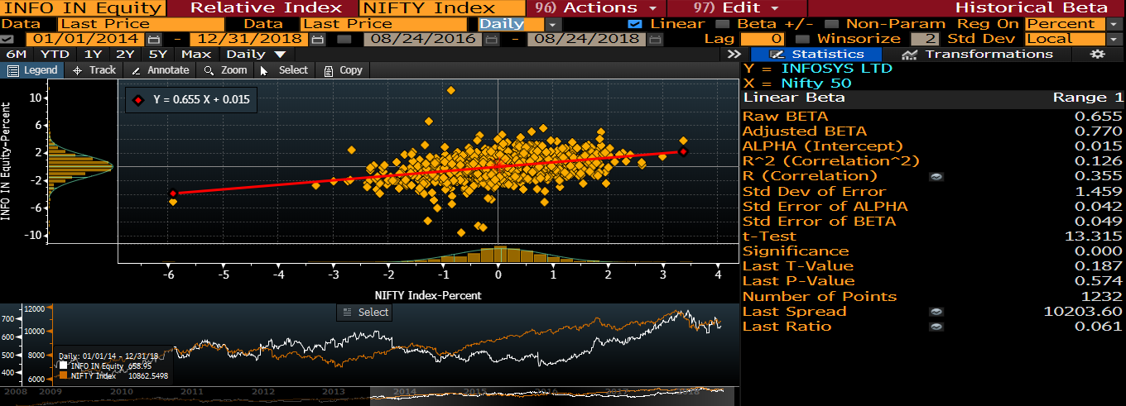
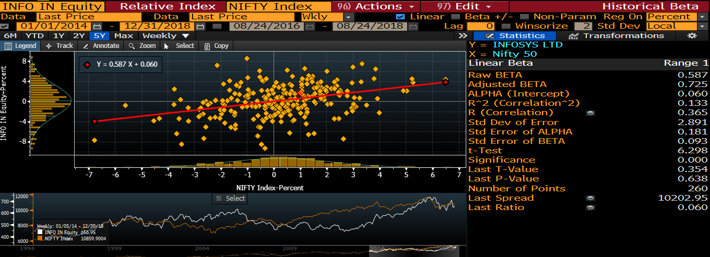

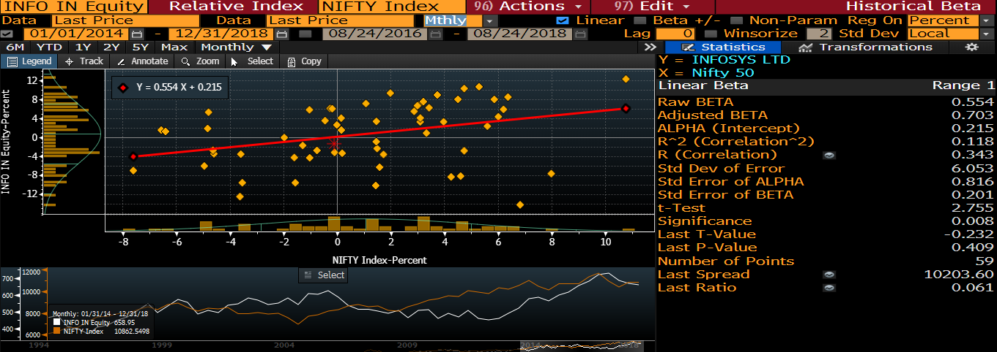
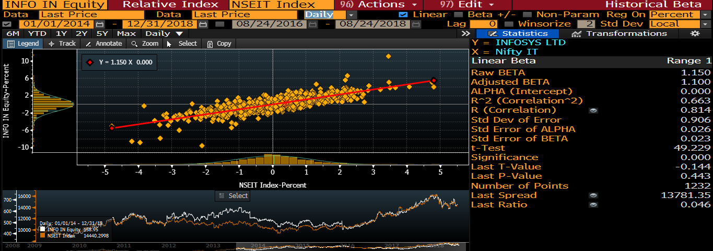

 |  |  |  | Courtesy : Bloomberg

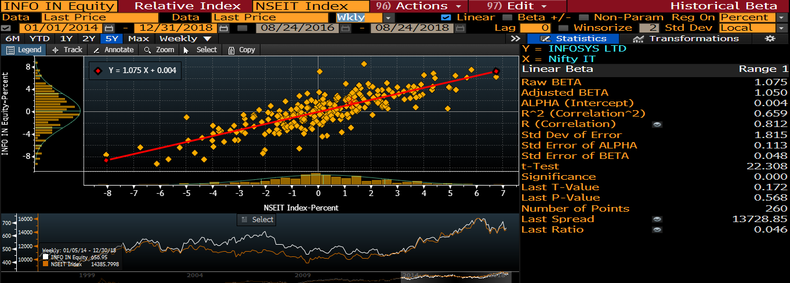
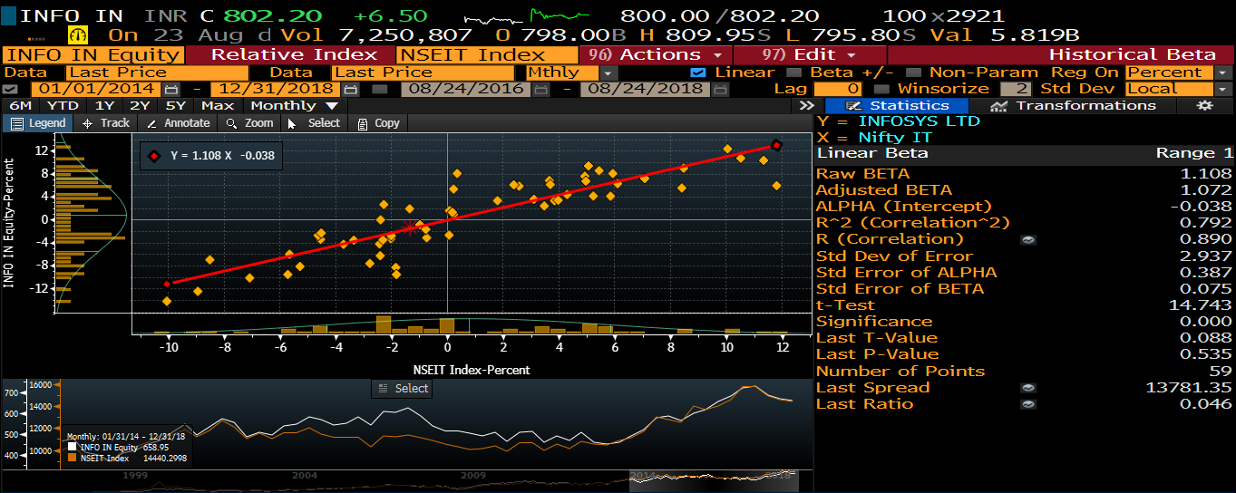

 |  |  |  |  |  |  |  | Courtesy: Bloomberg

Persistent Systems_Beta_Analysi
Q3: Calculate Sytematic Risk and Company Specific Risk using Generic Index and Industry specific Index and Jensen's Alpha of Stock Return

 |  | Mohan Krishna Kandula 2017A7PS0053H |  |  | Nakula Jayadeep 2017AAPS0249H |  |  | Guduguntala Venkata Sai Sumanth 2017A3PS0561H
 |  | Chandra Sai Sharath 2017A7PS0219H |  |  | Bhavana Valavala 2017A3PS0551H |  |  | Manul Gupta 2017B3PS861H

 |  | Persistent Systems Beta Analysis
 |  | Risk free Rate of Return(Rf)= | 7.52
 |  |  |  | Daily Rf | 0.0206027
 |  |  |  | Weekly Rf | 0.14461538462
 |  |  |  | Monthly Rf | 0.62666666667

 |  |  | Duration | 1/1/2014 - 31/12/2018 (5 years)

 |  |  |  | Based on NIFTY Index
Basis | Beta | Intercept | R-squared | Significant error on Beta | Range of Beta | Rf(1-Beta) | Jensen's Alpha | Annualise Jensen's Alpha | Conclusion
Daily | 0.5 | 0.01 | 0.04 | 0.067 | 0.433-0.567 | 0.010301369863 | -0.00030136986301 | -1.11 | Stock performed better than expected
Weekly | 0.641 | 0.047 | 0.077 | 0.309 | 0.332-0.95 | 0.051916923077 | -0.0049169230769 | -1.25568 | Stock performed worse than expected
Monthly | 0.913 | -0.038 | 0.133 | 0.138 | 0.775-1.051 | 0.05452 | -0.09252 | -2.11024 | Stock performed worse than expected

 |  |  |  | Based on NSE IT Index
Basis | Beta | Intercept | R-squared | Significant error on Beta | Range of Beta | Rf(1-Beta) | Jensen's Alpha | Annualise Jensen's Alpha | Conclusion
Daily | 0.496 | 0.02 | 0.074 | 0.05 | 0.446-0.546 | 0.010383780822 | 0.0096162191781 | 2.50992 | Stock performed better than expected
Weekly | 0.752 | 0.062 | 0.156 | 0.216 | 0.690-0.814 | 0.035864615385 | 0.026135384615 | 0.35904 | Stock performed better than expected
Monthly | 1.03 | 0.149 | 0.286 | 0.109 | 0.921-1.139 | -0.0188 | 0.1678 | 1.0136 | Stock performed better than expected

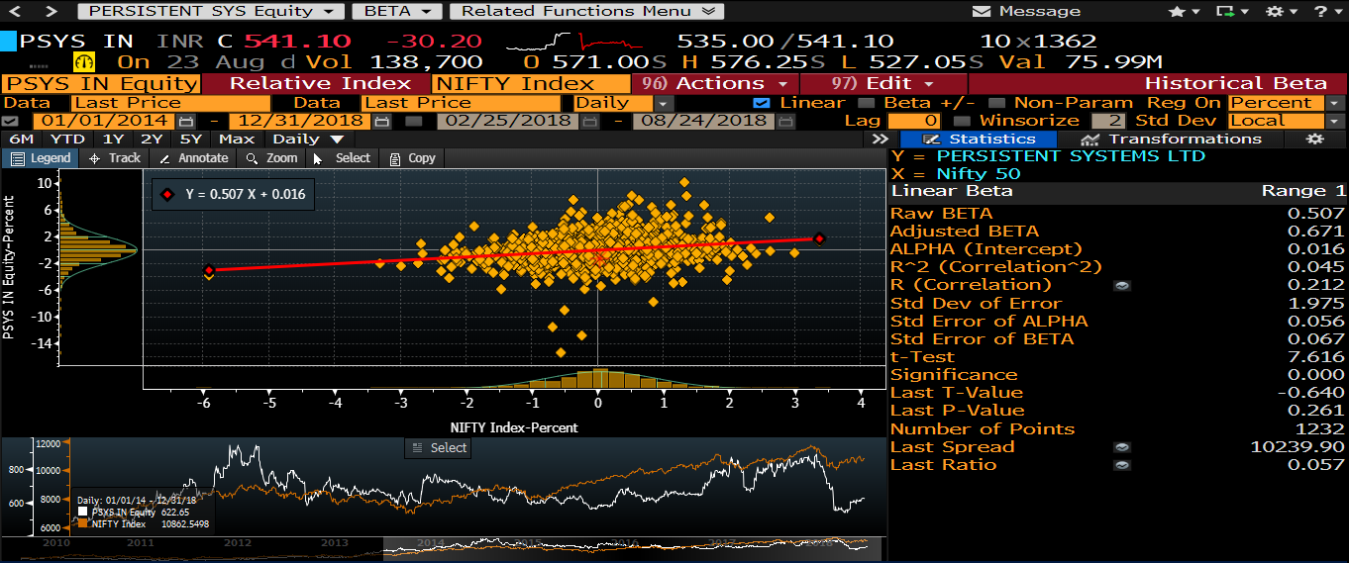
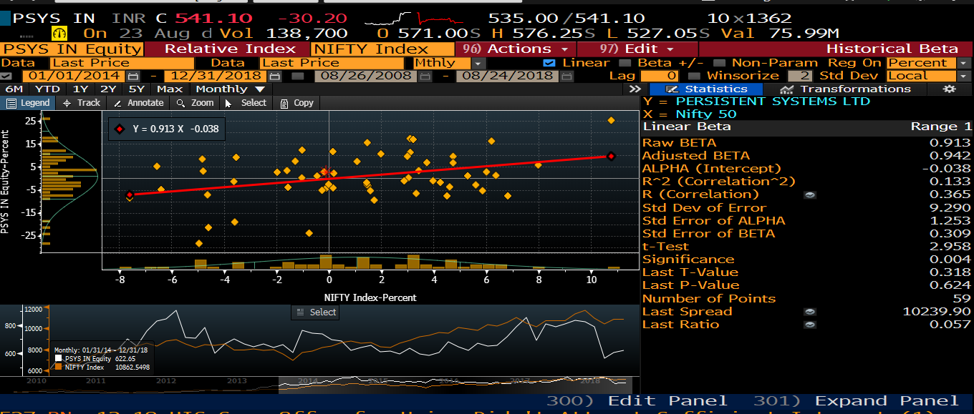

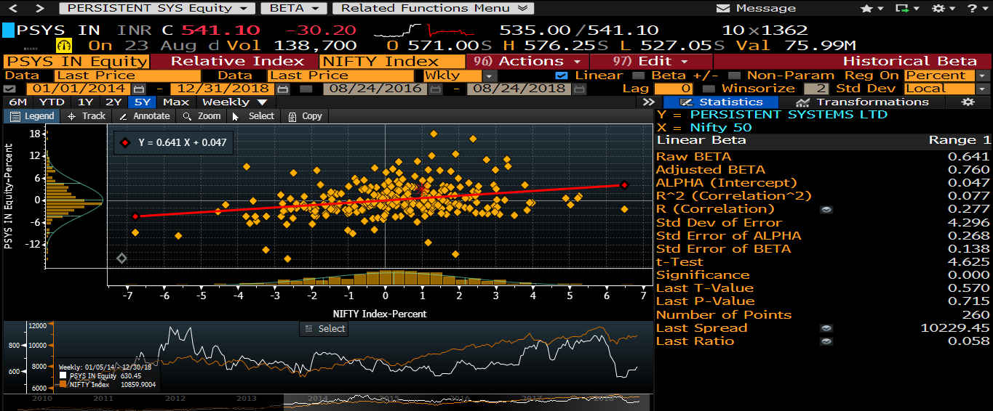
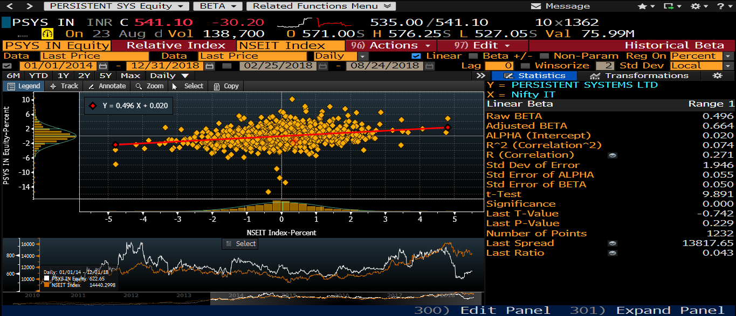

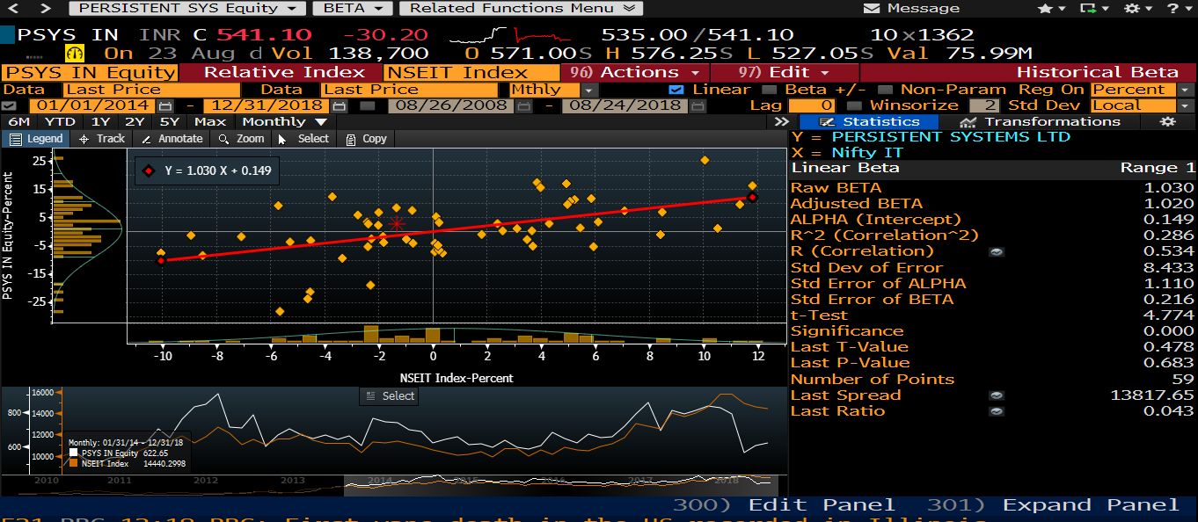
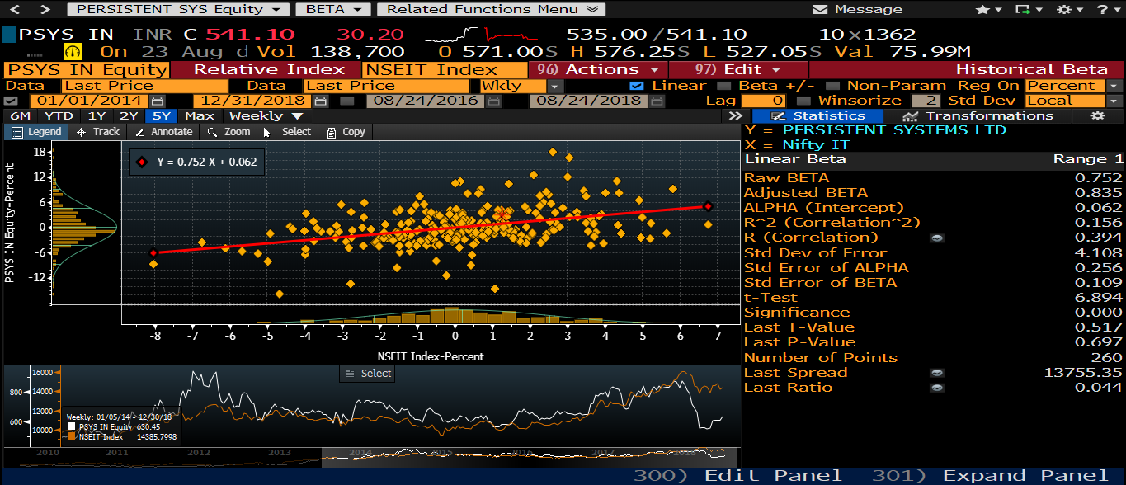

 |  |  |  |  |  |  |  | Courtesy : Bloomberg

 |  |  |  |  |  |  | Courtesy: Bloomberg

